Guide
 | Rate Sheet Guide

* Rate details for all vendors who participated in data collection between November 3rd, 2025 - February 27th, 2026 can be found in the "FY2627 Rate Sheet" tab.
* Rate details for all vendors who participated in the ongoing Initial Provider Survey can be found in the "IPS Rate Sheet" tab.

Section 1: Vendor Information |  | Section 2: Survey Completion Status |  |  |  |  |  | Section 4: QIP Rate

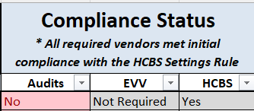

 |  |  |  |  |  |  |  |  | * Vendors are assigned a value of 90/95/100 to reflect the rate earned for
* All variables can be sorted and filtered by clicking on the arrow in the right corner of the cell (see screenshot above). |  |  | * Surveys completed between November 3rd, 20205 - February 27, 2026 can be assigned 3 statuses: |  |  | * All required vendors participating in the data collection between November 3rd, 2025 - |  |  | FY 2026-27.
* Clicking on the arrow will reveal a menu, allowing you to sort/filter/search (see screenshot below). |  |  |  | 1) Complete: Vendor completed the assigned survey by the deadline |  | February 27th, 2026 met initial compliance for HCBS Final Rule. All vendors have been assigned "Yes".
Note: These steps can be applied to all sections. |  |  |  | 2) Not Complete: Vendor did not complete the assigned survey by the deadline. |  |  |  |  | * Vendors who are assigned a QIP Rate of 90/95 will have a reason listed beneath
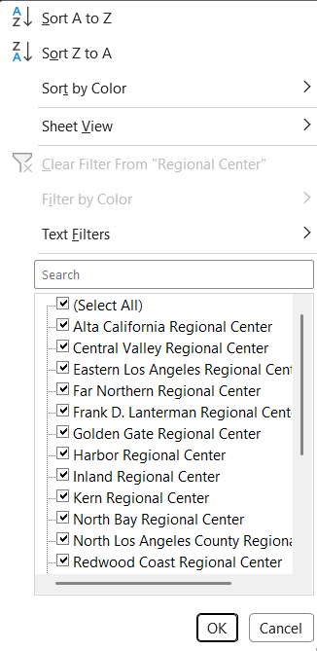
 |  |  |  | 3) Not Required: Vendor not required to complete the survey. |  |  |  |  | the "Reasons" column. Vendors can be assigned 3 statuses:
 |  |  |  |  |  | * EVV and Audits Compliance can be assigned 3 statuses: |  |  |  | 1) Compliance Not Complete: | Vendor required to meet EVV/Audits requirements but did not.
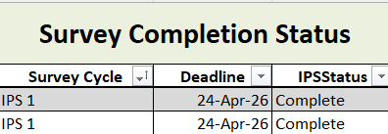
 |  |  |  |  |  |  | 1) Yes: Vendor completed all requirements to meet compliance for EVV/Audits. |  |  | Note: Vendors have the option to come into compliance with EVV/Audits past the given
 |  |  |  |  |  |  | 2) No: Vendors required to be in compliance with EVV/Audits did not complete requirements. |  |  | deadline to earn a portion of their QIP rate. These changes will be reflected in this spreadsheet.
 |  |  |  |  |  |  | 3) Not Required: Vendor not required to participat in EVV/Audits. |  |  | More details are available in the "Last Updated" section.
 |  |  |  |  |  |  |  |  |  | 2) Surveys Not Complete: Vendor did not complete required surveys by the deadline.
 |  |  |  |  |  |  |  |  |  | Note: This survey includes completion statuses for vendors who participated in reconciliation efforts
 |  |  |  |  |  |  |  |  |  | past the given deadline.
 |  |  |  |  |  |  |  |  |  | 3) Surveys and Compliance Not Complete: Vendor did not complete either required surveys
 |  |  |  |  |  |  |  |  |  | or compliance requirements.

 |  |  |  |  |  |  |  |  | * Note: To identify which surveys/compliance requirements were not met by a vendor, look for the red cells
 |  |  | * The IPS Rate Sheet tab includes different columns than the FY2627 Rate Sheet tab. |  | These differences include: |  |  |  | in the Survey Completion Status and Compliance Status columns.
 |  |  |  | 1) Survey Cycle: This column reflects the survey cycle that the vendor participated in. This column can be used to see
 |  |  |  | most recent survey cycles.
 |  |  |  | 2) Deadline: This column reflects the deadline each vendor was required to meet. |  |  |  |  | * For each vendor, a Start Date is assigned. This reflects the date upon which the QIP Rate should be applied.

 |  |  | * IPS Surveys can be assigned 2 statuses:
 |  |  |  | 1) Complete: Vendor completed the assigned survey by the deadline
 |  |  |  | 2) Not Complete: Vendor did not complete the assigned survey by the deadline.

